Demographics
Demographics
welcome Bank Customer Churn Analysis Dashboard
Search
Others
Analysis
Total customers
Retained Customers
Churned Customers
Avg Satisfaction (0-5)
Avg Age
Avg Tenure
Dataset
10000
7962
2038
3.01
38.92
5.01
 | Retained customers | churned customers
Total | 7962 | 2038
79.62%
20.38%
★★★☆☆
████████████████░░░░
████░░░░░░░░░░░░░░░░

Churned Customers by Gender
 | Total
Female | 4543
Male | 5457
 | Total customers | churned customers | Churned rate
Germany | 2509 | 814 | 32%
Spain | 2477 | 413 | 17%
France | 5014 | 811 | 16%
# of customer vs Churn Rate By complaints
No | 7962 | 25.60%
Yes | 2038 | 100.00%
Churn Rate
Female : 25.07%
Male : 16.47%

Churn by Credit Score How credit score affects churn
350 | 100%
351 | 100%
358 | 100%
359 | 100%
363 | 100%
365 | 100%
367 | 100%
373 | 100%
376 | 100%
382 | 100%
383 | 100%
386 | 100%
395 | 100%
399 | 100%
401 | 100%
404 | 100%
405 | 50%
407 | 100%
408 | 50%
410 | 33%
414 | 50%
415 | 33%
418 | 17%
420 | 67%
421 | 33%
423 | 100%
425 | 25%
428 | 33%
430 | 33%
431 | 20%
432 | 40%
434 | 50%
435 | 40%
436 | 50%
437 | 17%
438 | 33%
439 | 14%
443 | 50%
444 | 33%
445 | 17%
446 | 20%
447 | 50%
453 | 50%
454 | 25%
456 | 20%
457 | 14%
459 | 60%
460 | 50%
461 | 13%
465 | 22%
...
Churn by Age Do customer leave the older they are?
18 | 0.090909090909
19 | 0.037037037037
20 | 0.05
21 | 0.056603773585
22 | 0.14285714286
23 | 0.060606060606
24 | 0.10606060606
25 | 0.038961038961
26 | 0.07
27 | 0.062200956938
28 | 0.084249084249
29 | 0.080459770115
30 | 0.073394495413
31 | 0.081683168317
32 | 0.076555023923
33 | 0.099547511312
34 | 0.073825503356
35 | 0.12025316456
36 | 0.11622807018
37 | 0.12970711297
38 | 0.1320754717
39 | 0.17021276596
40 | 0.20833333333
41 | 0.18852459016
42 | 0.23987538941
43 | 0.2962962963
44 | 0.28404669261
45 | 0.37991266376
46 | 0.40265486726
47 | 0.44
48 | 0.47619047619
49 | 0.51020408163
50 | 0.52985074627
51 | 0.55462184874
52 | 0.62745098039
53 | 0.54054054054
54 | 0.60714285714
55 | 0.58536585366
56 | 0.71428571429
57 | 0.50666666667
58 | 0.4328358209
59 | 0.48387096774
60 | 0.51612903226
61 | 0.39622641509
62 | 0.40384615385
63 | 0.45
64 | 0.32432432432
65 | 0.44444444444
66 | 0.2
67 | 0.13513513514
...
Churn by Age Group
 | Total
young | 7.88%
very old | 9.93%
Middle-Age | 22.61%
old | 49.76%
Avg Balance churned vs Retained customer
 | Avg bal churned | Avg retained customer
Total | $91,109 | $72,743

-0.44
0.50

logout

Others
Demographics
welcome Bank Customer Churn Analysis Dashboard
Others
Search

Analysis
Total customers
Retained Customers
Churned Customers
Avg Satisfaction (0-5)
Avg Age
Avg Tenure
Dataset
10000
7962
2038
3.01
38.92
5.01
 | Retained customers | churned customers
Total | 7962 | 2038
79.62%
20.38%
★★★☆☆
████████████████░░░░
████░░░░░░░░░░░░░░░░
# of customers vs churn rate by # of products
 | Total customers | Churned rate
1 | 5084 | 27.71%
2 | 4590 | 7.60%
3 | 266 | 82.71%
4 | 60 | 100.00%
# of customer vs churn rate by Tenure
 | Total customers | Churned rate
0 | 413 | 23.00%
1 | 1035 | 22.42%
2 | 1048 | 19.18%
3 | 1009 | 21.11%
4 | 989 | 20.53%
5 | 1012 | 20.65%
6 | 967 | 20.27%
7 | 1028 | 17.22%
8 | 1025 | 19.22%
9 | 984 | 21.75%
10 | 490 | 20.61%
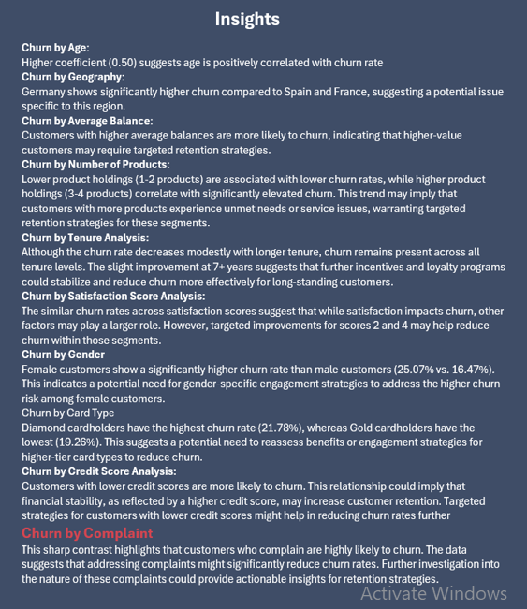

# of customers vs churn rate by Card type
 | Total customers | Churned rate
Diamond | 2507 | 21.78%
Gold | 2502 | 19.26%
Platinum | 2495 | 20.36%
Silver | 2496 | 20.11%
# of customers vs churn rate by Satisfaction
 | Total customers | Churned rate
1 | 1932 | 20.03%
2 | 2014 | 21.80%
3 | 2042 | 19.64%
4 | 2008 | 20.62%
5 | 2004 | 19.81%

logout

